Trends
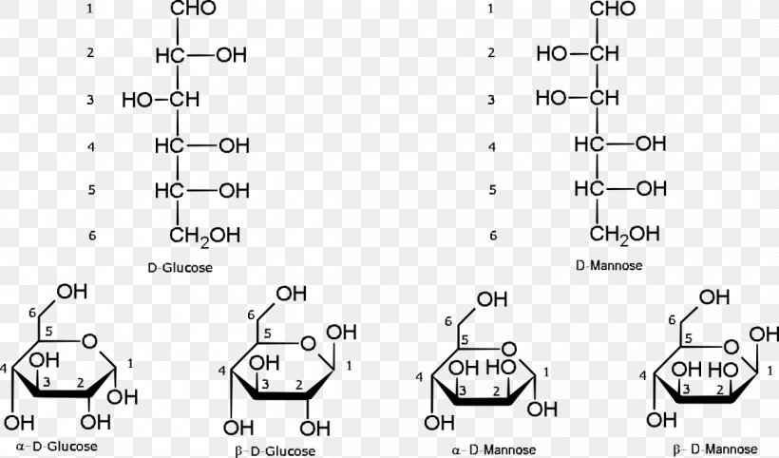
Structural tendencies that I have been finding

1 | β-glucans like cellulose and curdlan are water-insoluble
2 | α-glucans like dextran are water-soluble
3 | A β-glucan is only soluble when it contains more than a β(1-4) linkage, like alginate
4 | β linkages that are not 1-4 but are glucose, like the β(1-3) of laminarin are water-soluble. However curdlan is not soluble but is also β(1-3). The difference is that laminarin also contains β(1-6) as graft
5 | β linkages that are not 1-4 usually but not glucose, like the β(1-2) sucrose linkages of Ficoll, are water-soluble
6 | Branching results in higher solubility because it decreases packing capacity
7 | β-linkages (1-4 or 1-3) result in structure rigidity (e.g. cellulose, cellulosic backbone of xanthan)
8 | α-linkages (1-2 or 1-6) result in structure flexibility (e.g. dextrans)
9 | Random coil to helix transitions depend on the amount of acyl groups pyruvate ketal substituents present
10 | Hydrogen bonding and electrostatic forces dominate bonding in polysaccharides. Ionic interactions might be involved but are subtle. Chain-chain forces define the formation of flocs, strong/weak gels or insoluble networks
11
12
13

Conclusions about structure-function relationships

1 | Non-neutral polymers show greater ability to interact with water
2 | Polyanionicity is more common than polycationicity: carboxyl, phosphate, sulphate and groups; also uronic acids confer this property.
3 | Polyanionicity with similar composition is also found in halophiles, showing that cryoprotection and osmoprotection are closely related features. It also might enhance cellular attachments, thus proliferation
4 | Pseudohelicoidal structures are favored in the inhibition of ice recrystallization
5 | A structural equilibrium between hydrophilic and hydrophobic regions is favoured: better interaction with the ice front (just like AFPs)
6 | Higher molecular weight results in better water binding capacity
7 | Psychrophilic bacteria capable of producing branched dextran actually favor less-branched dextran composition with higher molecular weight at lower growth temperatures
8 | The higher MW structures observed at low temp are possibly related to greater probability of polymer entanglement, resulting in tertiary structures that might enhance the cryoprotective function
9 | Bacterial EPS usually contain 2 to 5 different monomers. Man, Gal and Glc are the overall core. Man dominates in thermophiles, Man, GalN and uronic acids in psychrophiles.
10 | Lower temperatures influence branched-to-linear transitions on the polymer's degree of branching
11
12
13
14
15
16

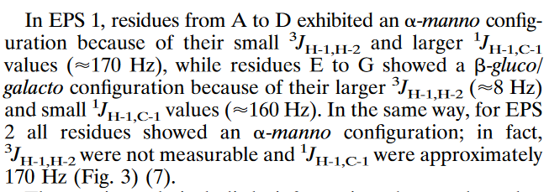
 |  | Empirical evidence of EPS natural cryoprotection

 |  | Relationship between MW and hydrodynamic radius geometry

Cryo%
Winograd384 | Survival rates |  |  |  |  | Winograd396 | Survival rates
Cycle | 1 | 2 | 3 | 4 |  | Cycle | 1 | 2 | 3 | 4
EPS- | 0.44 | 0.43 | 0.435 | 0.38 |  | EPS- | 0.315 | 0.31 | 0.305 | 0.3
EPS+ | 0.43 | 0.43 | 0.43 | 0.425 |  | EPS+ | 0.325 | 0.33 | 0.32 | 0.32
Control | 0.475 | 0.475 | 0.475 | 0.475 |  | Control | 0.345 | 0.345 | 0.345 | 0.345
Cryo | -0.021052631579 | 0 | -0.010526315789 | 0.094736842105 | 9% | Cryo | 0.028985507246 | 0.057971014493 | 0.04347826087 | 0.057971014493 | 5%
Cryo (no roof) | -0.01 | 0 | -0.005 | 0.045 | 4% | Cryo (no roof) | 0.01 | 0.02 | 0.015 | 0.02 | 2%
Exp | -0.021500543191 | 0 | -0.010864030027 | 0.064855102958 | 9% | Exp | 0.028157407045 | 0.051624744727 | 0.038161466664 | 0.045973221126 | 2%

Colwellia | Survival rates |  |  |  |  | Shewanella | Survival rates
Cycle | 1 | 2 | 3 | 4 |  | Cycle | 1 | 2 | 3 | 4
EPS- | 0.345 | 0.325 | 0.18 | 0.17 |  | EPS- | 0.4 | 0.38 | 0.175 | 0.11
EPS+ | 0.35 | 0.33 | 0.25 | 0.23 |  | EPS+ | 0.395 | 0.4 | 0.215 | 0.19
Control | 0.36 | 0.36 | 0.36 | 0.36 |  | Control | 0.415 | 0.415 | 0.415 | 0.415
Cryo | 0.013888888889 | 0.013888888889 | 0.19444444444 | 0.16666666667 | 10% | Cryo | -0.012048192771 | 0.048192771084 | 0.096385542169 | 0.19277108434 | 11%
Cryo (no roof) | 0.005 | 0.005 | 0.07 | 0.06 | 4% | Cryo (no roof) | -0.005 | 0.02 | 0.04 | 0.08 | 5%
Exp | 0.013697321066 | 0.013508395516 | 0.1085068339 | 0.085569519839 | 7% | Exp | -0.012194229694 | 0.043764522043 | 0.072182640908 | 0.089158800588 | 10%
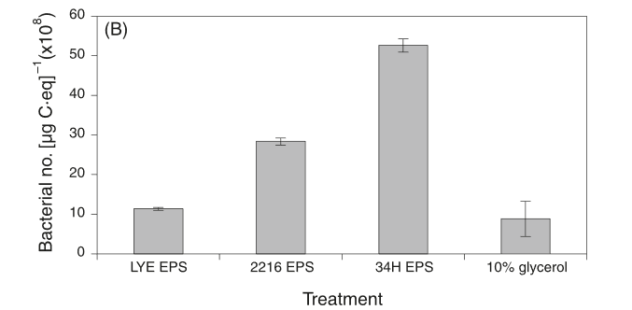

MER144 | Survival rates |  |  |  |  | 34H | Survival rates
Cycle | 1 | 2 | 3 | 4 |  | Cycle | 1 | 2 | 3 | 4
EPS- | 0.8 | 0.75 | 0.6 | 0.4 |  | EPS- | 0.22641509434
EPS+ | 1 | 0.95 | 0.8 | 0.75 |  | EPS+ | 1
Control | 1.2 | 1.2 | 1.2 | 1.2 |  | Control
Cryo | 0.16666666667 | 0.16666666667 | 0.16666666667 | 0.29166666667 | 20% | Cryo | #DIV/0! | #DIV/0! | #DIV/0! | #DIV/0! | #DIV/0!
Cryo (no roof) | 0.2 | 0.2 | 0.2 | 0.35 | 24% | Cryo (no roof) | 0.77358490566 | 0 | 0 | 0 | 77%
Exp | 0.14108028748 | 0.1194218851 | 0.10108844329 | 0.090825940308 | -5% | Exp | #DIV/0! | #DIV/0! | #DIV/0! | #DIV/0! | #DIV/0!

Assay dependencies
Fluorescence
1. Rheology needs to be done before DLS, because accurate DLS measurements require an accurate viscosity parameter
2. DLS hydrodynamic radius (Rh) is important to compare to SEM and laser diffraction measurements
3. DLS diffusion coefficient should be taken at infinite dilution. Do concentration studies and salt variation studies.
DSC
3. Zeta potential also requires viscosity data, refractive index and dielectric constant
4. SEC-MALS can corroborate structure parameters obtained from the Rheometer.

$$η$$
ζ-potential
NMR
INS

Rheology
SANS
FTIR

n
$$η$$
SEC-MALS
DLS
MS

alternative
SEM

XRD
General notes:
i) Refractive index calculations might not be needed. Most systems have internal RI detectors

Assay details
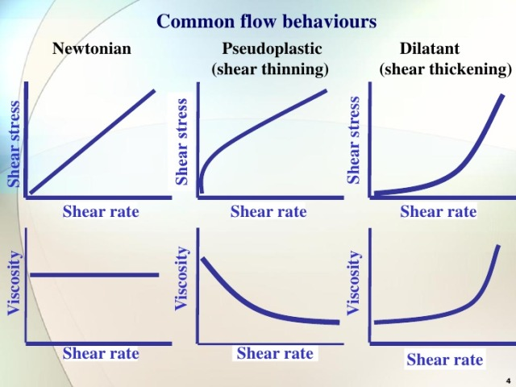
DLS | Rheology |  | DSC |  | NMR, FTIR, MS coupling
► Obtain particle size, volume size, PDI, variance, volume coefficient | ►Params: stress yield(4), complex modulus(2), flow behavior(3), zero-shear stress(4), |  | ► Parameters: enthalpies + temperatures (m, c, g), crystallinity degree, MW dist, cryst behavior |  | ► Experimental
► Intensity over time stabilizes first. Wait for particle/volume over time to stabilize too. | ► 1. Oscillatory stress sweep: elastic to viscous behavior transition (soft solid structure is essential at cryo temps) |  | ► 1. Transition temperature: usually the onset is reported, not midpoint? |  | ► Experimental
► Do 3 replicates, superimpose to check for quality | ► 2. Oscillatory stress sweep: determine stiffness of material |  | ► 2. Enthalpy calculation |  | ► Experimental
► If Z-coeff relevant, determine at infinite dilution. Do varying polymer and salt concentration studies. | ► 3. Shear rate sweep: simulates forced flows (pumping, mixing, filling, spreading) |  | ► |  | ► Experimental
► Check for smooth autocorrelation curve | ► 4. Shear stress sweep: simulates free-flow (sedimentation, creaming, dripping, penetration, capillary action) |  | ► Thermomechanical history includes: impact of production, purification, sample prep, storage conditions |  | ► Troubleshoot and quality
► Channel error plot should be random: indicates random unbiased motion of particles | ► 5. Oscillatory 3-step thixotropy test: lag time between elastic to viscous transition when a force is applied (e.g. ketchup) |  | ► Always consider second heating/cooling for characterization purposes: that's the pure properties |  | ► Troubleshoot and quality
► # decays should be 2-2.5. Especially important for larger particles | ► 6. Oscillatory frequency sweep over phase angle: determine elastic and viscous properties |  | ► |  | ► Troubleshoot and quality
► Broadening of gaussian is due to autocorrelation noise at low concentration | ► 7. Oscillatory frequency sweep over complex modulus: determine G' and G'' moduli |  | ►
 | ► 8. Normal stress shearing: if material under tension, it will extrude (diameter of flowing column greater than nozzle)
ζ-potential |  |  |  |  | ► Troubleshoot and quality
► Calculate ζ-potential (mV), average 3 runs. Polymers should be > 20mV | 1. Oscillatory lag stress | 2. Oscillatory stress resistance | 1. Transition temperature | 2. Enthalpy calculation
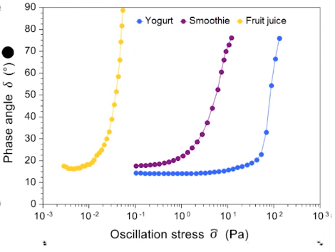
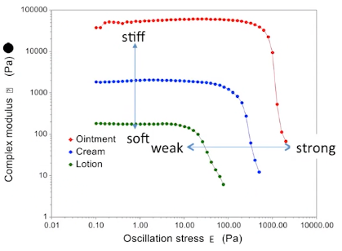
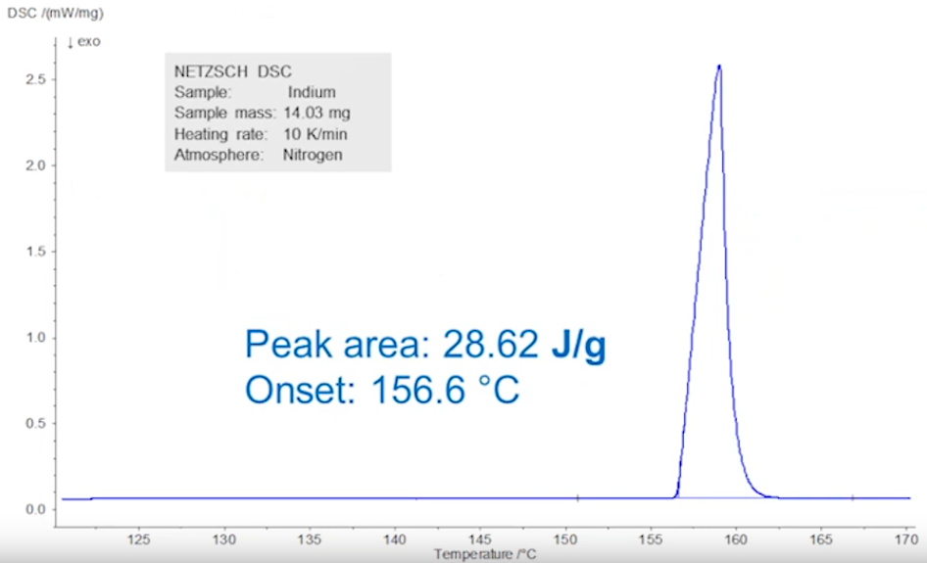
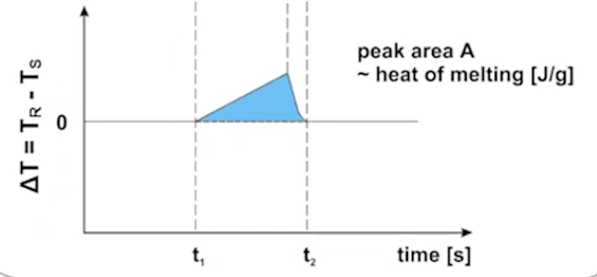
► Do concentration studies to account for viscosity-dependent mobility. |  |  |  |  | Technique
► Determine isoelectric point (pH studies, unstable region, flocculation may occur) -> Where (ζ)'' = 0 |  |  |  |  | ► Experimental
► Experimental |  |  |  |  | ► Experimental
► Dispersed phase should be 1-1000 nm, without flocculation and sedimentation |  |  |  |  | ► Experimental
► Increased absolute charge (zeta potential) = more stable. |  |  |  |  | ► Experimental
► Smoluchowski approximation κα>>1 is used. |  |  |  |  | ► Troubleshoot and quality
► Small particle velocity = small frequency shift --> use phase analysis |  |  |  |  | ► Troubleshoot and quality
► For biomolecules, use 1-5 V applied electric field. Reduce is high salt conc. to avoid Joule heating |  |  |  |  | ► Troubleshoot and quality
► Dilute with 1mM KCl until transparent. Result only valid for specific pH, salt conc. and sample conc. |  |  |  |  | ► Troubleshoot and quality
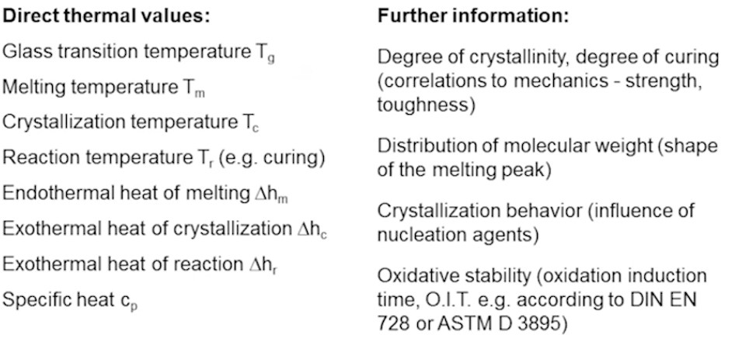
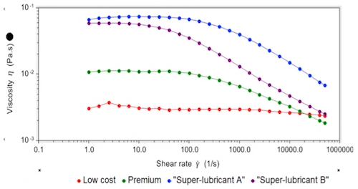
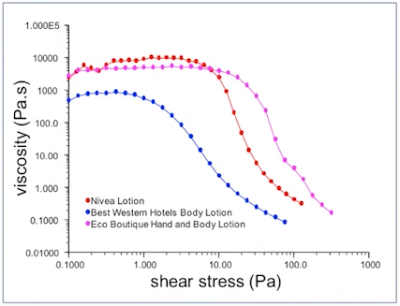
SEC-MALS
► Obtain absolute MW, independent of conformation, charge, folding & elution time. Mono/polydisperse? | 3. Flow shear rate | 4. Flow shear stress
► Obtain Rh (size), Rg, MW-PDI
► Molar mass over elution vol can give info on fragmentation
►When coupled to UV, can do conjugate analysis of copolymers, glycoproteins
►Can distinguish linear/branched. (Rh/MW) quotient gives structure extension
► Conventional SEC doesn't account for varying conformation, charge, folding; calibration is done with linear pol
► Rg<10nm = isotropic ; Rg>10nm = anisotropic scattering
► Conformation defines column interaction, and can vary elution time for equal MW

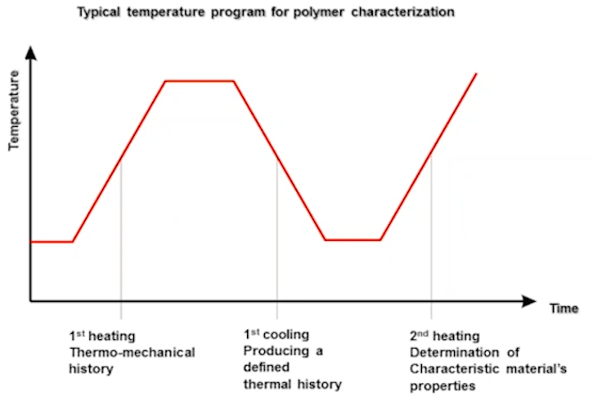
 | 5. Thixotropy test | 6. Oscillatory stress sweep over frequency
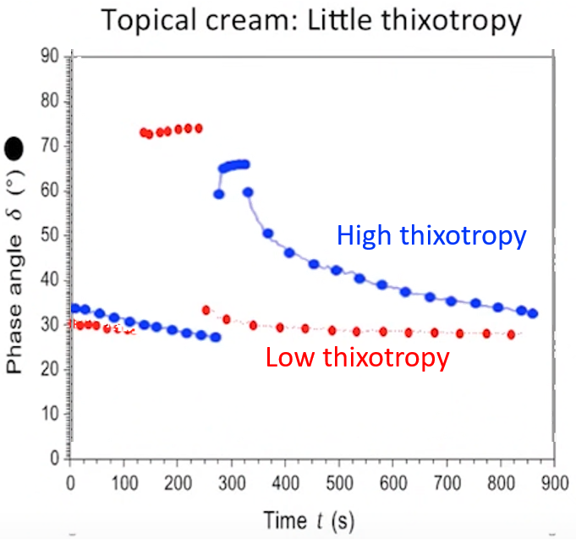
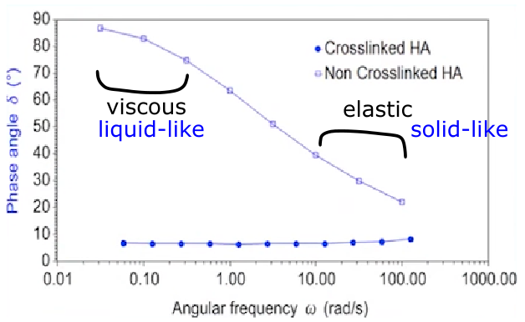

 | 7. Storage and loss moduli | 8. Normal stress shearing
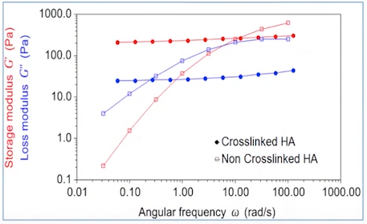
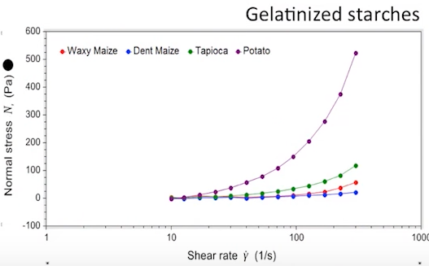

viscoelastic
crossover

